per day
 | Day 1 | Day 2 | Day 3 | Day 4 | Day 5 | Day 6 | Day 7 | Day 8 | Day 9 | Day 10 | Total Volume | CMAb | mg | mg/day
1 | 0 |  |  |  |  |  |  |  |  |  | 0.79 | 9.6627 | 7.633533 | 7.633533 | 1 | 7.633533 | 0.79
 | 0 |  |  |  |  |  |  |  |  |  |  |  |  |  | 2 | 13.546559077 | 0.7901056606
2 | 1.09E-05 | 5.93E-05 |  |  |  |  |  |  |  |  | 0.7901056606 | 34.2905 | 27.093118155 | 13.546559077 | 3 | 19.744339227 | 0.83786003205
 | 1.47E-05 | 2.07E-05 |  |  |  |  |  |  |  |  |  |  |  |  | 4 | 23.848697533 | 1.044666763
3 | 1.43E-05 | 5.96E-05 | 8.43E-05 |  |  |  |  |  |  |  | 0.83786003205 | 70.6956 | 59.233017682 | 19.744339227 | 5 | 25.778457282 | 1.1527929974
 | 3.92E-05 | 1.17E-05 | 0.047650912371 |  |  |  |  |  |  |  |  |  |  |  | 6 | 32.659138296 | 1.5208322871
4 | 0.000033574 | 0.000070605 | 0.000087247 | 0.000041356 |  |  |  |  |  |  | 1.044666763 | 91.316 | 95.39479013 | 23.848697533 | 7 | 37.446582645 | 1.7848376648
 | 0.000013981 | 0.08272 | 0.1002 | 0.0715 |  |  |  |  |  |  |  |  |  |  | 8 | 38.510893284 | 1.8694733173
5 | 0 | 0 | 0 | 6.57E-05 | 0 |  |  |  |  |  | 1.1527929974 | 111.8087 | 128.89228641 | 25.778457282 | 9 | 39.541287775 | 1.9606731611
 | 7.99E-05 | 0 | 0.15783691406 | 0.1505927789 | 0.054217677985 |  |  |  |  |  |  |  |  |  | 10 | 39.509548229 | 2.0009971283
6 | 0.00011383297613 | 6.59E-05 | 1.51E-05 | 2.31E-05 | 0.041669924903 | 0.037222641693 |  |  |  |  | 1.5208322871 | 128.8471 | 195.95482977 | 32.659138296
 | 0.01172508861 | 0.12457917838 | 0.21545914232 | 0.29987453877 | 6.29E-05 | 2.10E-05
7 | 5.45E-05 | 7.95E-05 | 0.00010819116904 | 3.19E-02 | 0.045127869556 | 4.41E-02 | 0.042772504015 |  |  |  | 1.7848376648 | 146.8627 | 262.12607852 | 37.446582645
 | 0.062680253237 | 0.39063939553 | 0.33141293528 | 0.045274371655 | 0.00027163039128 | 0.00021291063442 | 0.00020663003358
8 | 1.70E-04 | 2.62E-05 | 8.05E-05 | 3.02E-02 | 0.041113658904 | 3.98E-02 | 0.043624703922 | 0.037367863272 |  |  | 1.8694733173 | 164.7989 | 308.08714627 | 38.510893284
 | 0.18774570229 | 0.39469113589 | 0.24661661418 | 0.051813503522 | 0.0059838331362 | 0.00018493875358 | 5.14E-05 | 2.21E-05
9 | 5.44E-05 | 0.00E+00 | 1.44E-04 | 2.90E-02 | 0.04040483033 | 0.038862358789 | 0.038034731423 | 0.0425316239 | 0.036474040393 |  | 1.9606731611 | 181.5048 | 355.87158998 | 39.541287775
 | 0.084278027208 | 4.54E-01 | 3.53E-01 | 0.010905846444 | 0.042657382148 | 1.20E-06 | 4.24E-05 | 0 | 1.02E-18
10 | 0.000001 | 0.000000 | 0.000003 | 0.025565 | 0.035927 | 0.034530 | 0.035488 | 0.034732 | 0.039495 | 0.031985 | 2.0009971283 | 197.4493 | 395.09548229 | 39.509548229
 | 0.284299 | 0.378238 | 0.244370 | 0.066288 | 0.000001 | 0.000004 | 0.000000 | 0.000000 | 0.000011 | 0.000062

Optimization of Final Cuture Time
MAb Formed Daily at Various Cycle TImes
Optimized Volume at various Cycle times

2 flow
Day 1 | Day 2 | Day 3 | Day 4 | Day 5 | Day 6 | Day 7 | Day 8 | Day 9 | Day 10
0.000001 | 0.000000 | 0.000003 | 0.025565 | 0.035927 | 0.034530 | 0.035488 | 0.034732 | 0.039495 | 0.031985 | 0.284299 | 0.378238 | 0.244370 | 0.066288 | 0.000001 | 0.000004 | 0.000000 | 0.000000 | 0.000011 | 0.000062
0.284299 | 0.378238 | 0.244370 | 0.066288 | 0.000001 | 0.000004 | 0.000000 | 0.000000 | 0.000011 | 0.000062
Optimization of a Two Stream Feedrate
 |  |  |  |  |  |  |  |  |  | 1.21E+00

1 flow
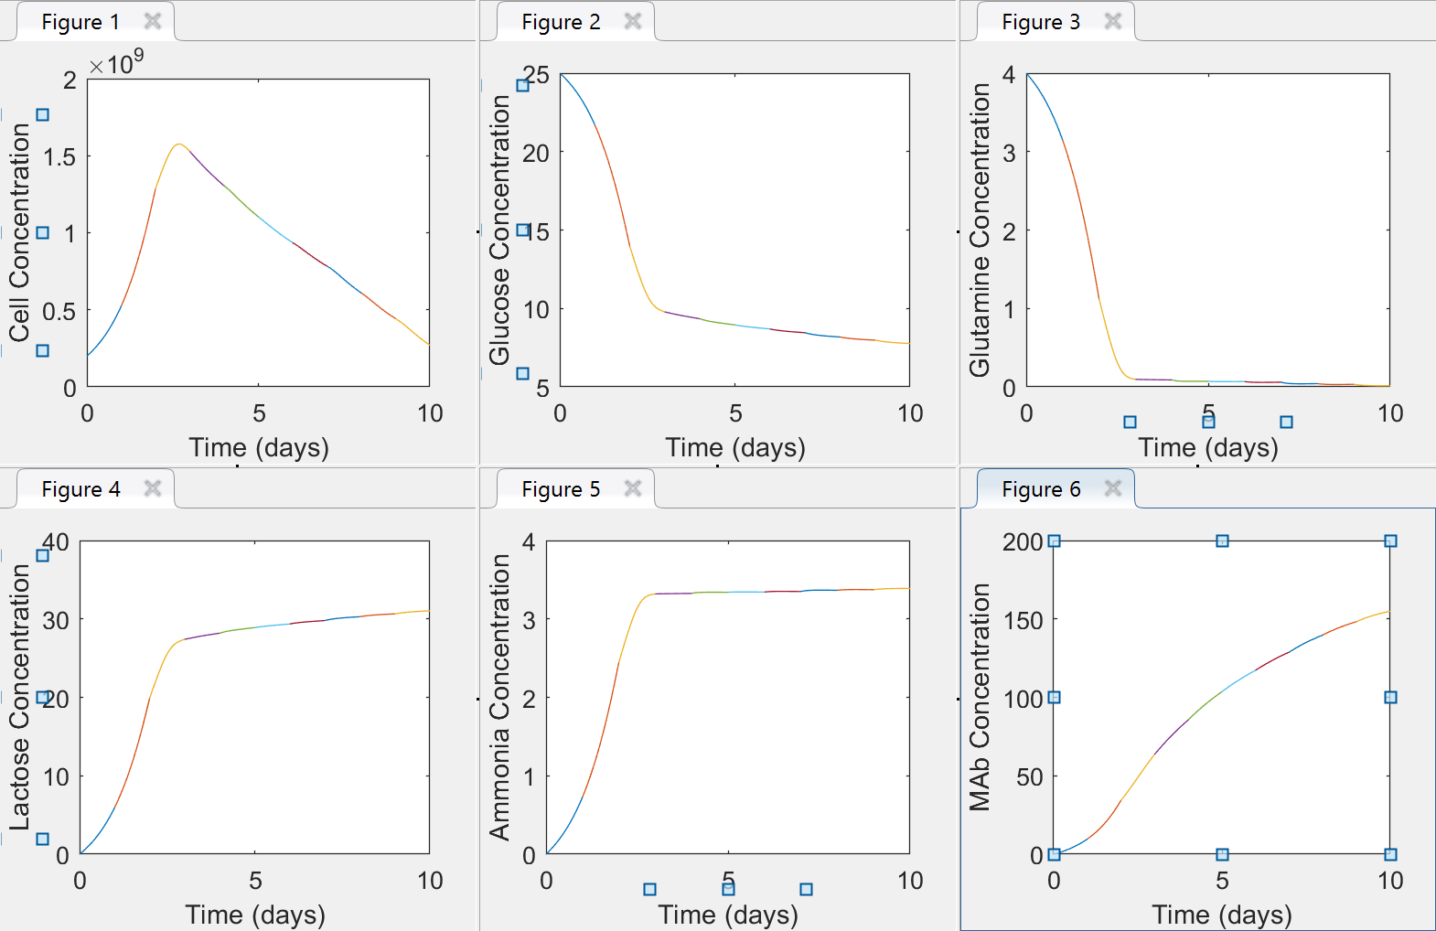
Day 1 | Day 2 | Day 3 | Day 4 | Day 5 | Day 6 | Day 7 | Day 8 | Day 9 | Day 10
0.00012874603271 | 1.19E-06 | 0.23664394177 | 0.24895112333 | 0.20651853941 | 0.19069199431 | 0.15653868902 | 0.095656140618 | 0.059350910334 | 0.016485452652
0

Optimization of a Single Feed Feed Rate
 | Cglc (25 mM) | Cgln (4 mM)
Day 1 | 1.29E-04 | 0
Day 2 | 1.19E-06
Day 3 | 2.37E-01
Day 4 | 2.49E-01
Day 5 | 2.07E-01
Day 6 | 1.91E-01
Day 7 | 1.57E-01
Day 8 | 9.57E-02
Day 9 | 5.94E-02
Day 10 | 1.65E-02

2 flow (2)
Day 1 | Day 2 | Day 3 | Day 4 | Day 5 | Day 6 | Day 7 | Day 8 | Day 9 | Day 10
0.000002 | 0.000000 | 0.000000 | 0.025445 | 0.035327 | 0.036084 | 0.033896 | 0.037928 | 0.037856 | 0.031752 | 0.238289 |  | 0.434229 | 6.148712
0.115720 | 0.498299 | 0.295461 | 0.034474 | 0.015906 | 0.011184 | 0.000000 | 0.000261 | 0.000000 | 0.000000 | 0.971306
Optimized 2 Feed and Concentrations
 |  |  |  |  |  |  |  |  |  | 1.2096

 |  |  |  |  |  |  |  |  |  | 0.434229 | 6.148712

2 flow (3)
Day 1 | Day 2 | Day 3 | Day 4 | Day 5 | Day 6 | Day 7 | Day 8 | Day 9 | Day 10
0.000 | 0.000 | 0.009 | 0.050 | 0.040 | 0.040 | 0.035 | 0.031 | 0.031 | 0.035 | 0.000 | 0.000 | 0.009 | 0.050 | 0.040 | 0.040 | 0.035 | 0.031 | 0.031 | 0.035 | 50.000 | 8.000
0.204 | 0.245 | 0.122 | 0.173 | 0.007 | 0.001 | 0.002 | 0.004 | 0.000 | 0.000
Optimized 2 Feed and Concentrations

 |  |  |  |  |  |  |  |  |  | 0.434229 | 6.148712

Sheet5
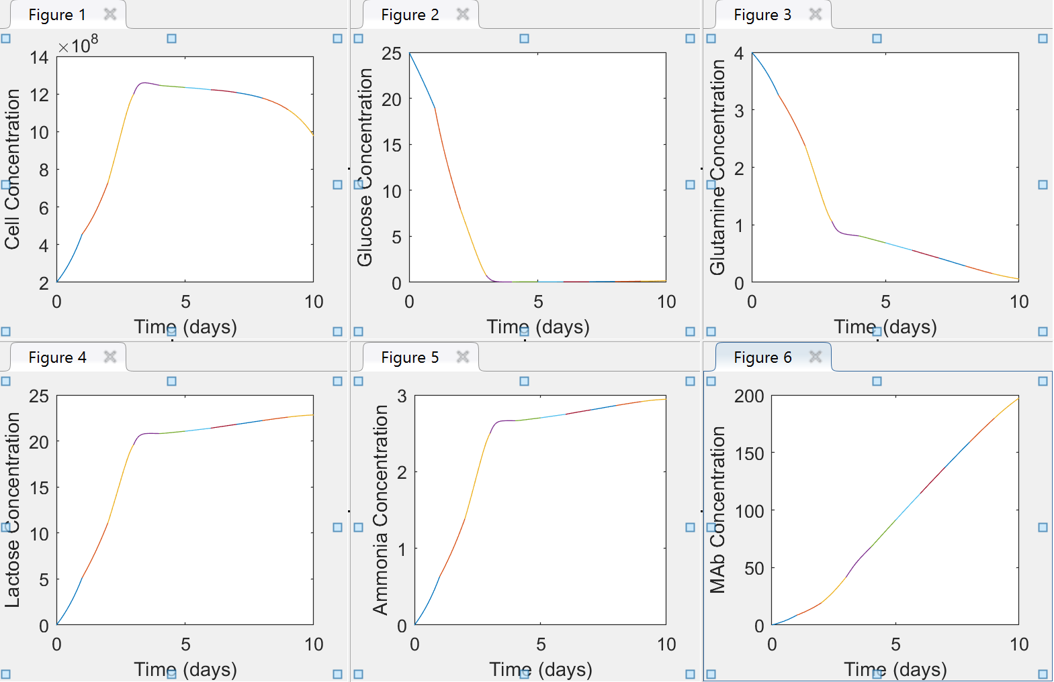
Optimization of a Single Feed Feed Rate
 | Cglc (25 mM) | Cgln (4 mM)
Day 1 | 1.29E-04 | 0
Day 2 | 1.19E-06
Day 3 | 2.37E-01
Day 4 | 2.49E-01
Day 5 | 2.07E-01
Day 6 | 1.91E-01
Day 7 | 1.57E-01
Day 8 | 9.57E-02
Day 9 | 5.94E-02
Day 10 | 1.65E-02

Optimization of a Two Stream Feedrate
 | Fglc (25 mM) | Fgln (4 mM)
Day 1 | 0.000001 | 0.284299
Day 2 | 0.000000 | 0.378238
Day 3 | 0.000003 | 0.244370
Day 4 | 0.025565 | 0.066288
Day 5 | 0.035927 | 0.000001
Day 6 | 0.034530 | 0.000004
Day 7 | 0.035488 | 0.000000
Day 8 | 0.034732 | 0.000000
Day 9 | 0.039495 | 0.000011
Day 10 | 0.031985 | 0.000062
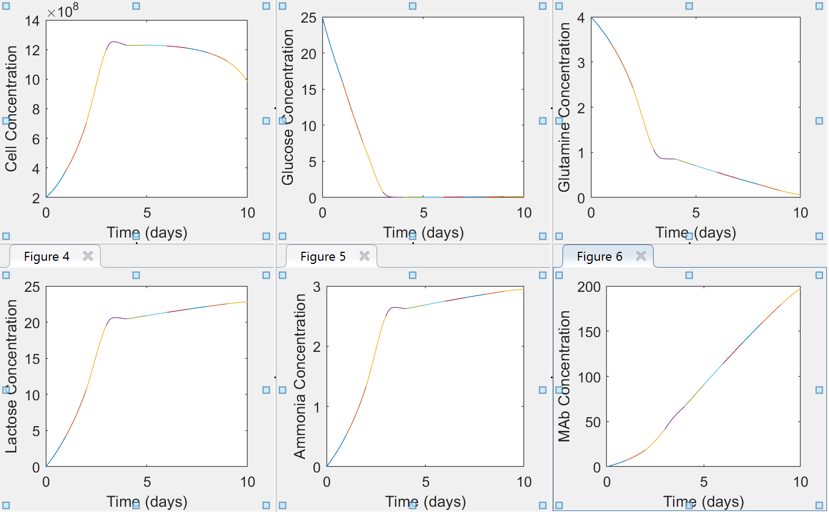

Optimized 2 Feed and Concentrations
 | Fglc (0.434229 mM) | Fgln (6.148712 mM)
Day 1 | 0.000002 | 0.115720
Day 2 | 0.000000 | 0.498299
Day 3 | 0.000000 | 0.295461
Day 4 | 0.025445 | 0.034474
Day 5 | 0.035327 | 0.015906
Day 6 | 0.036084 | 0.011184
Day 7 | 0.033896 | 0.000000
Day 8 | 0.037928 | 0.000261
Day 9 | 0.037856 | 0.000000
Day 10 | 0.031752 | 0.000000

